INPUT YOUR DATA
"Create Your Perceptual Map" = INPUT YOUR DATA
Follow the Steps in YELLOW and type over the BLUE cells only to create your own Perceptual Map

The data MUST be in a 1 to 9 scale - if your data is not in that scale, then go to the Data Converter tab to convert your data
© Copyright 2014-2023 PerceptualMaps.com
Step 1 | Enter the Title of Your Map ==> | My Map
 |  | (This is an example only. Simply type over this map title.)

Click here to view your Perceptual Map after you have entered all your data and labels
Step 2 | Enter the two labels for your Horizontal Axis ==>
 | For the left side of the map | Bland | (These are examples only.
 | For the right side of the map | Tasty | Type in your attributes.)

Step 3 | Enter the two labels for your Vertical Axis ==>
 | For the bottom of the map | Limited Choice | (These are examples only.
 | For the top of the map | Wide Choice | Type in your attributes.)

STEP 4 = Enter the Brands or Products to be Mapped |  | STEP 5 = Enter the Brand Score for each Attribute |  | STEP 6 = Modify Circle Sizes
Up to a maximum of 50 brands/products |  | Use a 1-9 scale, using the following table as a rough guide |  | This is an OPTIONAL step
 |  | Horizontal Attribute | Vertical Attribute | Relative Sizes
 | Do NOT Type Over, input above ==> | 1 = Bland | 1 = Limited Choice | 1 = Small (relative)
 | Do NOT Type Over, input above ==> | 5 = Equal mix of both | Equal mix of both | 5 = Medium (relative)
(Some examples provided, simply type over the brands below) |  | 9 = Tasty | 9 = Wide Choice | 9 = Large (relative)
1 | McDonalds | 3 | 8 | 5
2 | Burger King | 7 | 5.5 | 5
3 | Wendy's | 4.5 | 4 | 5
4 | In & Out | 9 | 1 | 5
5 |  |  |  | 5
6 |  |  |  | 5
7 |  |  |  | 5
8 |  |  |  | 5
9 |  |  |  | 5
10 |  |  |  | 5
11 |  |  |  | 5
12 |  |  |  | 5
13 |  |  |  | 5
14 |  |  |  | 5
15 |  |  |  | 5
16 |  |  |  | 5
17 |  |  |  | 5
18 |  |  |  | 5
19 |  |  |  | 5
20 |  |  |  | 5
21 |  |  |  | 5
22 |  |  |  | 5
23 |  |  |  | 5
24 |  |  |  | 5
25 |  |  |  | 5
26 |  |  |  | 5
27 |  |  |  | 5
28 |  |  |  | 5
29 |  |  |  | 5
30 |  |  |  | 5
31 |  |  |  | 5
32 |  |  |  | 5
33 |  |  |  | 5
34 |  |  |  | 5
35 |  |  |  | 5
36 |  |  |  | 5
37 |  |  |  | 5
38 |  |  |  | 5
39 |  |  |  | 5
40 |  |  |  | 5
41 |  |  |  | 5
42 |  |  |  | 5
43 |  |  |  | 5
44 |  |  |  | 5
45 |  |  |  | 5
46 |  |  |  | 5
47 |  |  |  | 5
48 |  |  |  | 5
49 |  |  |  | 5
50 |  |  |  | 5

Click here to view your Perceptual Map after you have entered all your data and labels

VIEW YOUR MAP
This is your Perceptual Map. Go back to INPUT YOUR DATA to change the Map.
Please note that there are 3 variations of the SAME map below - with slightly different formats

 |  | 1 | McDonalds | 5 | 3 | 8
 | To Copy/Paste your Map | 2 | Burger King | 5 | 7 | 5.5
 |  | 3 | Wendy's | 5 | 4.5 | 4
 | Click on the edge of the map | 4 | In & Out | 5 | 9 | 1
 | to highlight it | 5 | Blank | 5 | #N/A | #N/A
 |  | 6 | Blank | 5 | #N/A | #N/A
 | Select 'copy' from the menu | 7 | Blank | 5 | #N/A | #N/A
 |  | 8 | Blank | 5 | #N/A | #N/A
 | Go to your document | 9 | Blank | 5 | #N/A | #N/A
 |  | 10 | Blank | 5 | #N/A | #N/A
 | Select 'paste', then 'paste special' | 11 | Blank | 5 | #N/A | #N/A
 | and choose 'picture' | 12 | Blank | 5 | #N/A | #N/A
 |  | 13 | Blank | 5 | #N/A | #N/A
 |  | 14 | Blank | 5 | #N/A | #N/A
Click here to go back to edit your input data
 |  | 15 | Blank | 5 | #N/A | #N/A
 |  | 16 | Blank | 5 | #N/A | #N/A
 |  | 17 | Blank | 5 | #N/A | #N/A
 |  | 18 | Blank | 5 | #N/A | #N/A
 |  | 19 | Blank | 5 | #N/A | #N/A
 |  | 20 | Blank | 5 | #N/A | #N/A
 |  | 21 | Blank | 5 | #N/A | #N/A
 |  | 22 | Blank | 5 | #N/A | #N/A
 |  | 23 | Blank | 5 | #N/A | #N/A
 |  | 24 | Blank | 5 | #N/A | #N/A
 |  | 25 | Blank | 5 | #N/A | #N/A
 |  | 26 | Blank | 5 | #N/A | #N/A
 |  | 27 | Blank | 5 | #N/A | #N/A
 |  | 28 | Blank | 5 | #N/A | #N/A
 |  | 29 | Blank | 5 | #N/A | #N/A
 |  | 30 | Blank | 5 | #N/A | #N/A
 |  | 31 | Blank | 5 | #N/A | #N/A
 |  | 32 | Blank | 5 | #N/A | #N/A
 |  | 33 | Blank | 5 | #N/A | #N/A
 |  | 34 | Blank | 5 | #N/A | #N/A
 |  | 35 | Blank | 5 | #N/A | #N/A
 |  | 36 | Blank | 5 | #N/A | #N/A
 |  | 37 | Blank | 5 | #N/A | #N/A
 |  | 38 | Blank | 5 | #N/A | #N/A
 |  | 39 | Blank | 5 | #N/A | #N/A
 |  | 40 | Blank | 5 | #N/A | #N/A
 |  | 41 | Blank | 5 | #N/A | #N/A
 |  | 42 | Blank | 5 | #N/A | #N/A
 |  | 43 | Blank | 5 | #N/A | #N/A
 |  | 44 | Blank | 5 | #N/A | #N/A
 |  | 45 | Blank | 5 | #N/A | #N/A
 |  | 46 | Blank | 5 | #N/A | #N/A
 |  | 47 | Blank | 5 | #N/A | #N/A
 |  | 48 | Blank | 5 | #N/A | #N/A
 |  | 49 | Blank | 5 | #N/A | #N/A
 |  | 50 | Blank | 5 | #N/A | #N/A

Blank for Maps
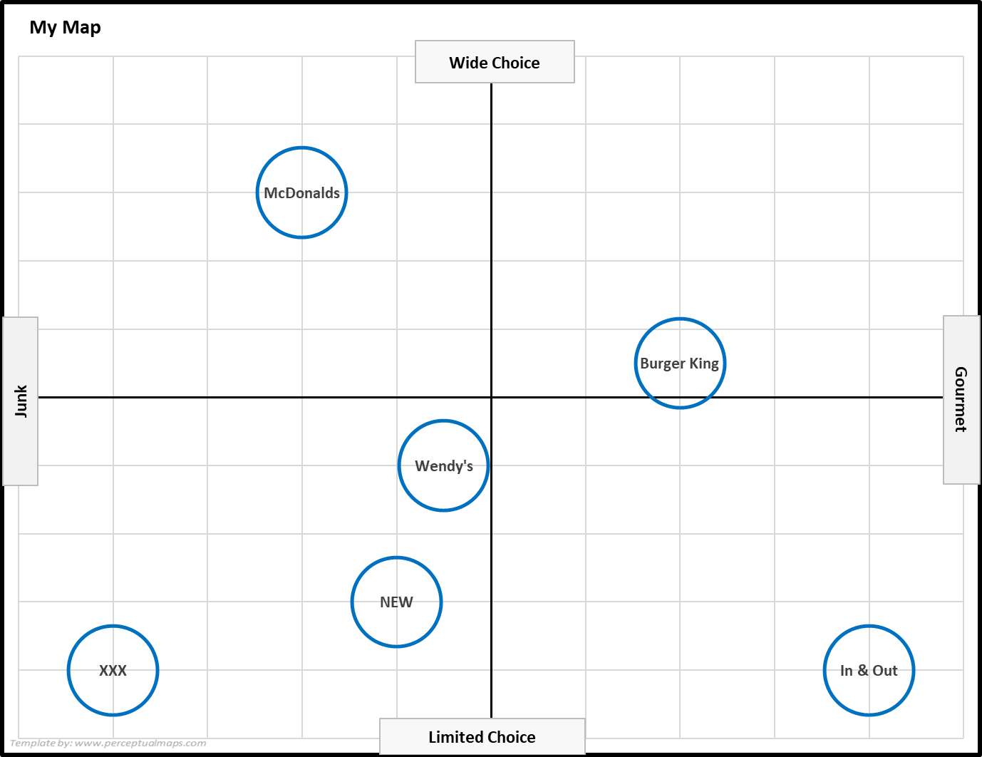
Please Copy and Paste Your Maps Here While You Are Undertaking Your Analysis

